NADPH
Patients are NOT the same as ROS assay
 | NADPH |  |  | NADP |  |  | NADPH/NADP ratio
 | Patient | Group | Luminescence | Patient | Group | Luminescence | Patient | Group | NADPH | NADP+ | NADPH/NADP+ ratio
 | PAH1 | SSC-PAH | 5149 | PAH1 | SSC-PAH | 3286 | PAH1 | SSC-PAH | 5149 | 3286 | 1.57
 | PAH2 | SSC-PAH | 5449 | PAH2 | SSC-PAH | 3141 | PAH2 | SSC-PAH | 5449 | 3141 | 1.73
 | PAH3 | SSC-PAH | 3797 | PAH3 | SSC-PAH | 2942 | PAH3 | SSC-PAH | 3797 | 2942 | 1.29
 | PAH4 | SSC-PAH | 4330 | PAH4 | SSC-PAH | 3063 | PAH4 | SSC-PAH | 4330 | 3063 | 1.41
 | PAH5 | SSC-PAH | 4932 | PAH5 | SSC-PAH | 2780 | PAH5 | SSC-PAH | 4932 | 2780 | 1.77
 | PF1 | SSC-PF | 2950 | PF1 | SSC-PF | 2840 | PF1 | SSC-PF | 2950 | 2840 | 1.04
 | PF2 | SSC-PF | 5051 | PF2 | SSC-PF | 3636 | PF2 | SSC-PF | 5051 | 3636 | 1.39
 | PF3 | SSC-PF | 3843 | PF3 | SSC-PF | 3036 | PF3 | SSC-PF | 3843 | 3036 | 1.27
 | PF4 | SSC-PF | 3630 | PF4 | SSC-PF | 3201 | PF4 | SSC-PF | 3630 | 3201 | 1.13
 | PF5 | SSC-PF | 4381 | PF5 | SSC-PF | 3416 | PF5 | SSC-PF | 4381 | 3416 | 1.28
 | SSC1 | SSC-CON | 4960 | SSC1 | SSC-CON | 3432 | SSC1 | SSC-CON | 4960 | 3432 | 1.45
 | SSC2 | SSC-CON | 5554 | SSC2 | SSC-CON | 3493 | SSC2 | SSC-CON | 5554 | 3493 | 1.59
 | SSC3 | SSC-CON | 4435 | SSC3 | SSC-CON | 3139 | SSC3 | SSC-CON | 4435 | 3139 | 1.41
 | SSC4 | SSC-CON | 4308 | SSC4 | SSC-CON | 2822 | SSC4 | SSC-CON | 4308 | 2822 | 1.53
 | SSC5 | SSC-CON | 3016 | SSC5 | SSC-CON | 2591 | SSC5 | SSC-CON | 3016 | 2591 | 1.16
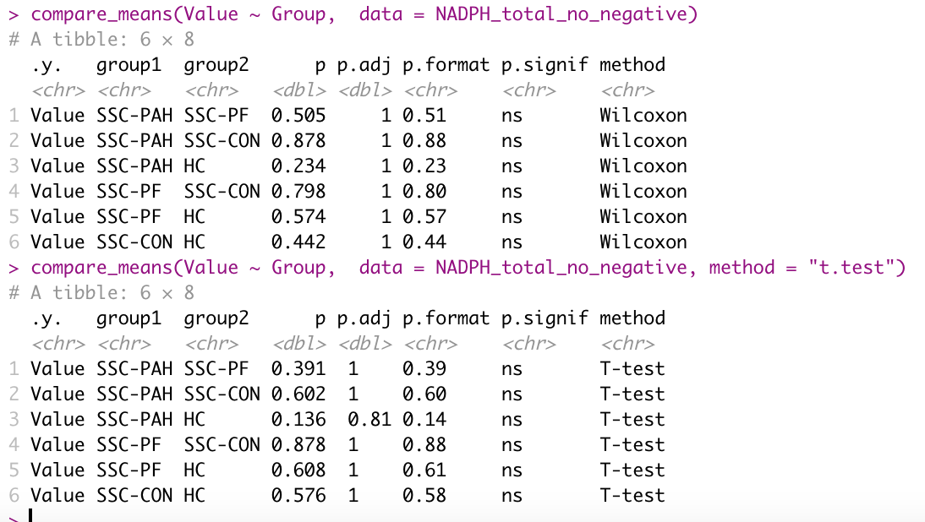
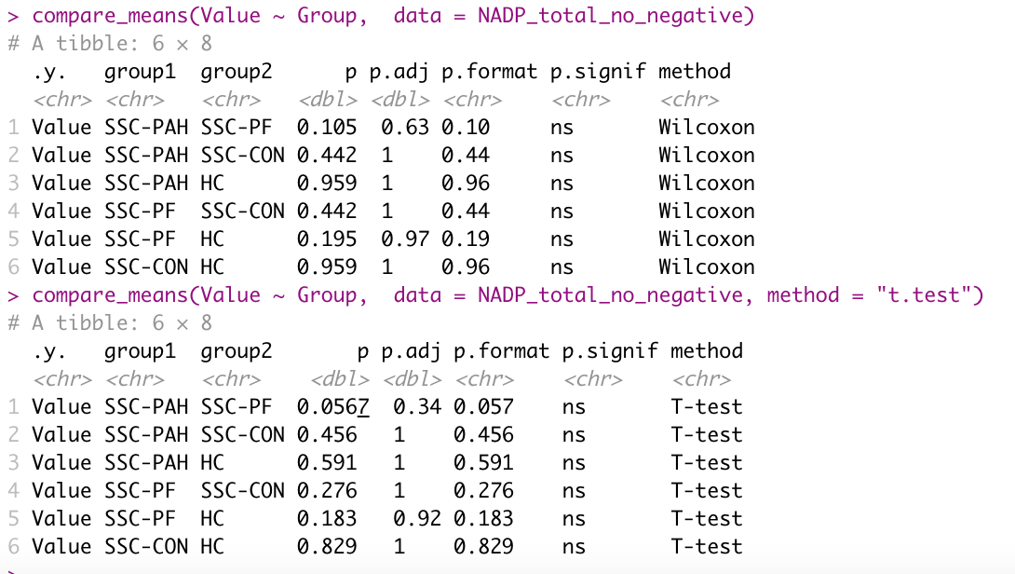
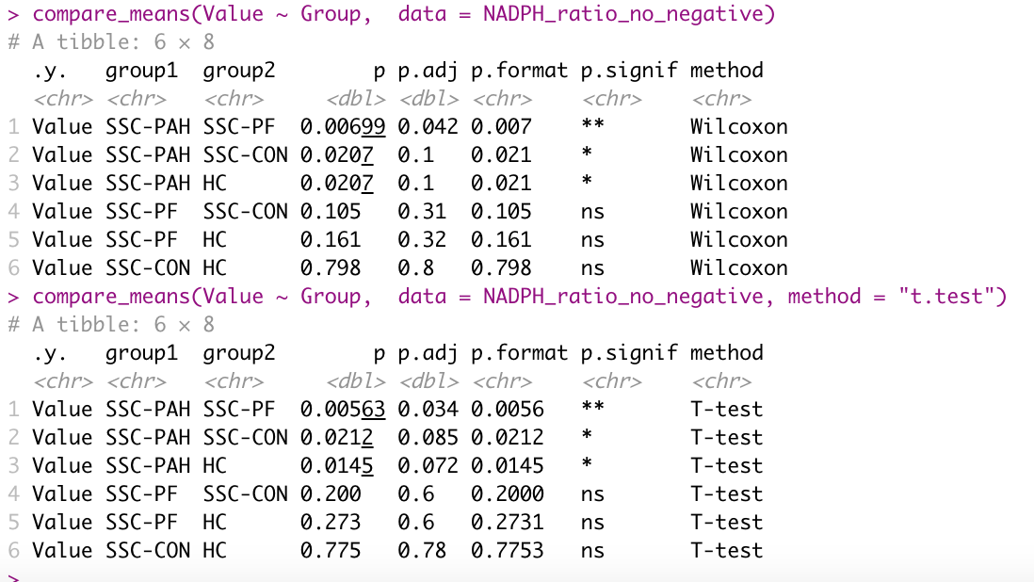
 | HC1 | HC | 4088 | HC1 | HC | 2851 | HC1 | HC | 4088 | 2851 | 1.43
 | HC2 | HC | 3664 | HC2 | HC | 2827 | HC2 | HC | 3664 | 2827 | 1.30
 | HC3 | HC | 3876 | HC3 | HC | 2912 | HC3 | HC | 3876 | 2912 | 1.33
 | HC4 | HC | 4269 | HC4 | HC | 2706 | HC4 | HC | 4269 | 2706 | 1.58
 | HC5 | HC | 3649 | HC5 | HC | 2733 | HC5 | HC | 3649 | 2733 | 1.34
 | PAH6 | SSC-PAH | 3660 | PAH6 | SSC-PAH | 1711 | PAH6 | SSC-PAH | 3660 | 1711 | 2.14
 | PAH9 | SSC-PAH | 3386 | PAH9 | SSC-PAH | 2014 | PAH9 | SSC-PAH | 3386 | 2014 | 1.68
 | PAH10 | SSC-PAH | 3942 | PAH10 | SSC-PAH | 2459 | PAH10 | SSC-PAH | 3942 | 2459 | 1.60
 | PF6 | SSC-PF | 2553 | PF6 | SSC-PF | 2946 | PF6 | SSC-PF | 2553 | 2946 | 0.87
 | PF9 | SSC-PF | 4643 | PF9 | SSC-PF | 4710 | PF9 | SSC-PF | 4643 | 4710 | 0.99
 | PF10 | SSC-PF | 4674 | PF10 | SSC-PF | 2666 | PF10 | SSC-PF | 4674 | 2666 | 1.75
 | SSC6 | SSC-CON | 2659 | SSC6 | SSC-CON | 2294 | SSC6 | SSC-CON | 2659 | 2294 | 1.16
 | SSC9 | SSC-CON | 5260 | SSC9 | SSC-CON | 3886 | SSC9 | SSC-CON | 5260 | 3886 | 1.35
 | SSC10 | SSC-CON | 2216 | SSC10 | SSC-CON | 1713 | SSC10 | SSC-CON | 2216 | 1713 | 1.29
 | HC6 | HC | 3631 | HC6 | HC | 3280 | HC6 | HC | 3631 | 3280 | 1.11
 | HC7 | HC | 4590 | HC7 | HC | 3928 | HC7 | HC | 4590 | 3928 | 1.17
 | HC8 | HC | 2301 | HC8 | HC | 1523 | HC8 | HC | 2301 | 1523 | 1.51

Glutathione
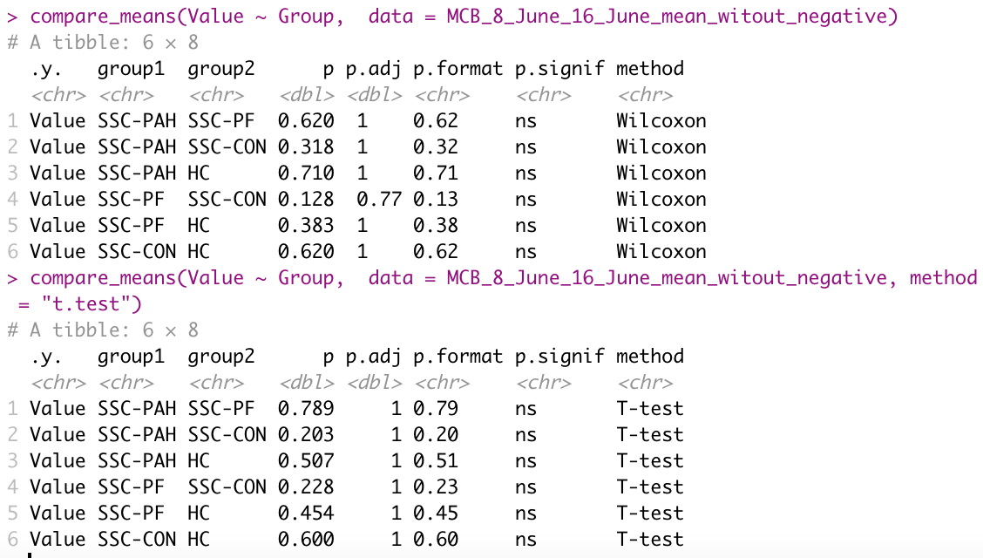
GSH | Group | Fluorescence | GSH | Group | Fluorescence
PAH 1 | SSC-PAH | 3083670.25 | PAH 1 | SSC-PAH | 3083670.25 | Patients are same as ROS assay
PAH 2 | SSC-PAH | 3367045.75 | PAH 2 | SSC-PAH | 3367045.75
PAH 3 | SSC-PAH | 3047811.75 | PAH 5 | SSC-PAH | 3070763.75
PAH 4 | SSC-PAH | 3239507.75 | PF 1 | SSC-PF | 2951750.25
PAH 5 | SSC-PAH | 3070763.75 | PF 3 | SSC-PF | 3027428.75
PF 1 | SSC-PF | 2951750.25 | PF 4 | SSC-PF | 3594366.25
PF 2 | SSC-PF | 3596808.75 | PF 5 | SSC-PF | 3148789.25
PF 3 | SSC-PF | 3027428.75 | SSC 1 | SSC-CON | 3308271.25
PF 4 | SSC-PF | 3594366.25 | SSC 3 | SSC-CON | 3138922.25
PF 5 | SSC-PF | 3148789.25 | SSC 4 | SSC-CON | 3656415.25
SSC 1 | SSC-CON | 3308271.25 | HC 1 | HC | 3133019.25
SSC 2 | SSC-CON | 3951767.75 | HC 2 | HC | 3128088.75
SSC 3 | SSC-CON | 3138922.25 | HC 3 | HC | 3610075.75
SSC 4 | SSC-CON | 3656415.25 | HC 4 | HC | 3168863.75
SSC 5 | SSC-CON | 3498970.25 | PAH 6 | SSC-PAH | 3317472.75
HC 1 | HC | 3133019.25 | PAH 7 | SSC-PAH | 3327859.75
HC 2 | HC | 3128088.75 | PAH 8 | SSC-PAH | 3260259.75
HC 3 | HC | 3610075.75 | PAH 9 | SSC-PAH | 3227464.75
HC 4 | HC | 3168863.75 | PF 6 | SSC-PF | 3263711.25
HC 5 | HC | 3188744.75 | PF 8 | SSC-PF | 3263204.25
PAH 6 | SSC-PAH | 3317472.75 | PF 9 | SSC-PF | 3231829.25
PAH 7 | SSC-PAH | 3327859.75 | SSC 6 | SSC-CON | 3368583.25
PAH 8 | SSC-PAH | 3260259.75 | SSC 8 | SSC-CON | 3252134.25
PAH 9 | SSC-PAH | 3227464.75 | SSC 9 | SSC-CON | 3294734.25
PAH 10 | SSC-PAH | 3300075.25 | SSC 10 | SSC-CON | 3344020.25
PF 6 | SSC-PF | 3263711.25 | HC 6 | HC | 3322109.75
PF 7 | SSC-PF | 3238850.75 | HC 7 | HC | 3313322.25
PF 8 | SSC-PF | 3263204.25 | HC 9 | HC | 3355042.25
PF 9 | SSC-PF | 3231829.25
PF 10 | SSC-PF | 3280385.75
SSC 6 | SSC-CON | 3368583.25
SSC 7 | SSC-CON | 3324543.75
SSC 8 | SSC-CON | 3252134.25
SSC 9 | SSC-CON | 3294734.25
SSC 10 | SSC-CON | 3344020.25
HC 6 | HC | 3322109.75
HC 7 | HC | 3313322.25
HC 8 | HC | 3328144.75 | GSH | Group | Fluorescence | Patients are NOT the same as ROS assay
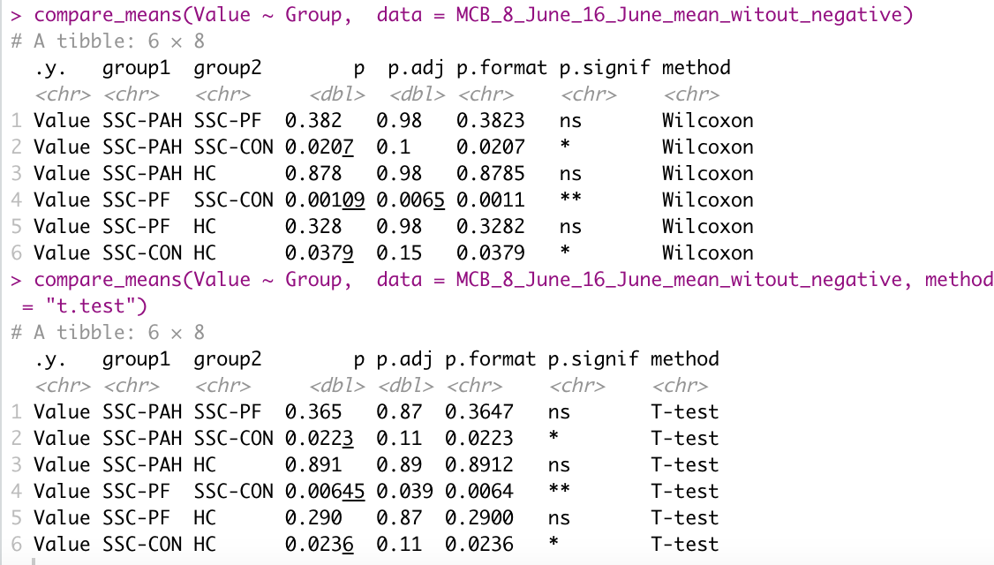
HC 9 | HC | 3355042.25 | PAH 1 | SSC-PAH | 3083670.25
HC 10 | HC | 3297333.25 | PAH 4 | SSC-PAH | 3239507.75
 |  |  | PAH 5 | SSC-PAH | 3070763.75
 |  |  | PF 1 | SSC-PF | 2951750.25
 |  |  | PF 3 | SSC-PF | 3027428.75
 |  |  | PF 5 | SSC-PF | 3148789.25
 |  |  | SSC 1 | SSC-CON | 3308271.25
 |  |  | SSC 4 | SSC-CON | 3656415.25
 |  |  | SSC 5 | SSC-CON | 3498970.25
 |  |  | HC 1 | HC | 3133019.25
 |  |  | HC 2 | HC | 3128088.75
 |  |  | HC 4 | HC | 3168863.75
 |  |  | HC 5 | HC | 3188744.75
 |  |  | PAH 6 | SSC-PAH | 3317472.75
 |  |  | PAH 7 | SSC-PAH | 3327859.75
 |  |  | PAH 8 | SSC-PAH | 3260259.75
 |  |  | PAH 9 | SSC-PAH | 3227464.75
 |  |  | PAH 10 | SSC-PAH | 3300075.25
 |  |  | PF 6 | SSC-PF | 3263711.25
 |  |  | PF 7 | SSC-PF | 3238850.75
 |  |  | PF 8 | SSC-PF | 3263204.25
 |  |  | PF 9 | SSC-PF | 3231829.25
 |  |  | PF 10 | SSC-PF | 3280385.75
 |  |  | SSC 6 | SSC-CON | 3368583.25
 |  |  | SSC 7 | SSC-CON | 3324543.75
 |  |  | SSC 8 | SSC-CON | 3252134.25
 |  |  | SSC 9 | SSC-CON | 3294734.25
 |  |  | SSC 10 | SSC-CON | 3344020.25
 |  |  | HC 6 | HC | 3322109.75
 |  |  | HC 7 | HC | 3313322.25
 |  |  | HC 8 | HC | 3328144.75
 |  |  | HC 10 | HC | 3297333.25

ROS
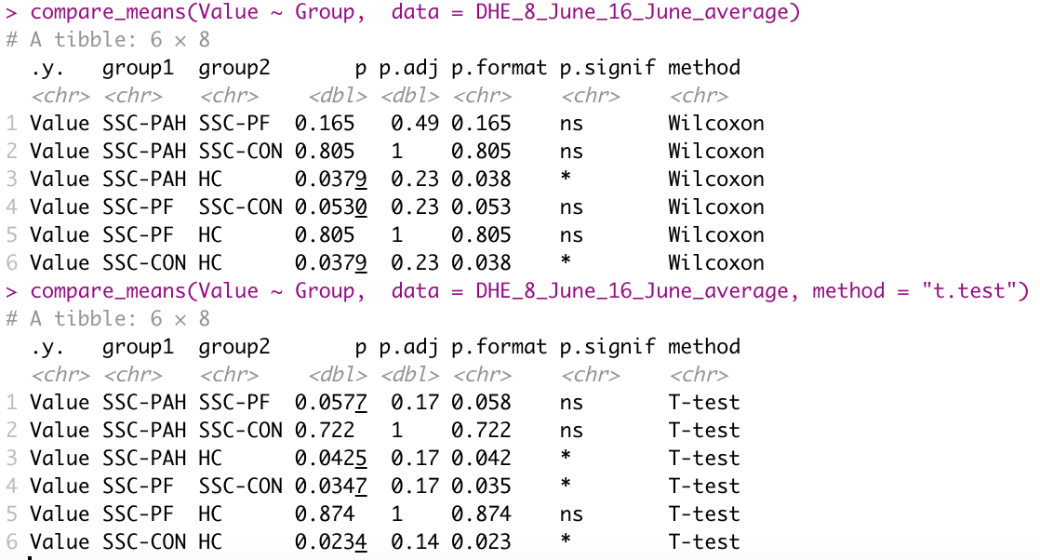
530/590 for ROS
Patient | Group | Fluorescence
PAH 1 | SSC-PAH | 163489
PAH 2 | SSC-PAH | 147354
PAH 5 | SSC-PAH | 113304
PF 1 | SSC-PF | 52558
PF 3 | SSC-PF | 78058
PF 4 | SSC-PF | 132280
PF 5 | SSC-PF | 111353
SSC 1 | SSC-CON | 154386
SSC 3 | SSC-CON | 171061
SSC 4 | SSC-CON | 106209
HC 1 | HC | 79054
HC 2 | HC | 84026
HC 3 | HC | 105410
HC 4 | HC | 106257
PAH 6 | SSC-PAH | 120180
PAH 7 | SSC-PAH | 109141
PAH 8 | SSC-PAH | 146964
PAH 9 | SSC-PAH | 155690
PF 6 | SSC-PF | 122056
PF 8 | SSC-PF | 125356
PF 9 | SSC-PF | 126290
SSC 6 | SSC-CON | 149822
SSC 8 | SSC-CON | 152592
SSC 9 | SSC-CON | 119598
SSC 10 | SSC-CON | 132731
HC 6 | HC | 146077
HC 7 | HC | 120074
HC 9 | HC | 123350

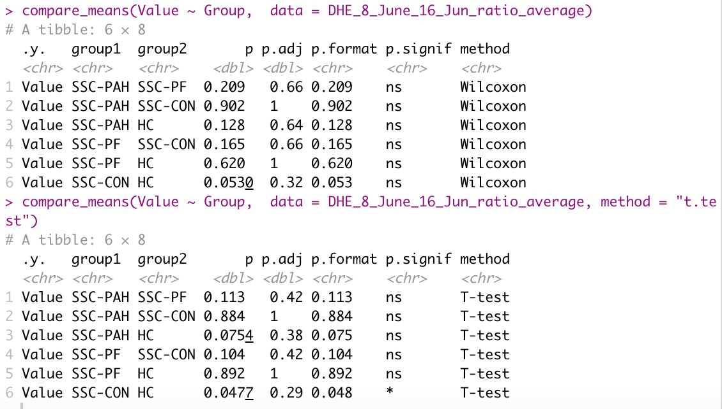
530/590 on 355/460 ratio
Patient | Group | Ratio
PAH 1 | SSC-PAH | 0.18195872743
PAH 2 | SSC-PAH | 0.14064811957
PAH 5 | SSC-PAH | 0.11724229935
PF 1 | SSC-PF | 0.043117436424
PF 3 | SSC-PF | 0.082229910154
PF 4 | SSC-PF | 0.13746077022
PF 5 | SSC-PF | 0.12152009958
SSC 1 | SSC-CON | 0.12181927437
SSC 3 | SSC-CON | 0.16485630628
SSC 4 | SSC-CON | 0.10688947269
HC 1 | HC | 0.084025471816
HC 2 | HC | 0.085960778629
HC 3 | HC | 0.11161030088
HC 4 | HC | 0.11146768212
PAH 6 | SSC-PAH | 0.10898080139
PAH 7 | SSC-PAH | 0.098572670938
PAH 8 | SSC-PAH | 0.14139174064
PAH 9 | SSC-PAH | 0.15403835206
PF 6 | SSC-PF | 0.11497814448
PF 8 | SSC-PF | 0.12088825925
PF 9 | SSC-PF | 0.12552241797
SSC 6 | SSC-CON | 0.14262858775
SSC 8 | SSC-CON | 0.15145859537
SSC 9 | SSC-CON | 0.11869012609
SSC 10 | SSC-CON | 0.12242546661
HC 6 | HC | 0.14437951416
HC 7 | HC | 0.10728420635
HC 9 | HC | 0.11511178163

